State Schedule
Oregon Public Employees Retirement System |  |  |  |  |  | This schedule is available online at the link below
Schedule of Pension Amounts under GASB 68 |  |  |  |  |  | https://www.oregon.gov/pers/EMP/Documents/GASB/2022/GASB-68-Schedule.pdf
Employer #: City of ****
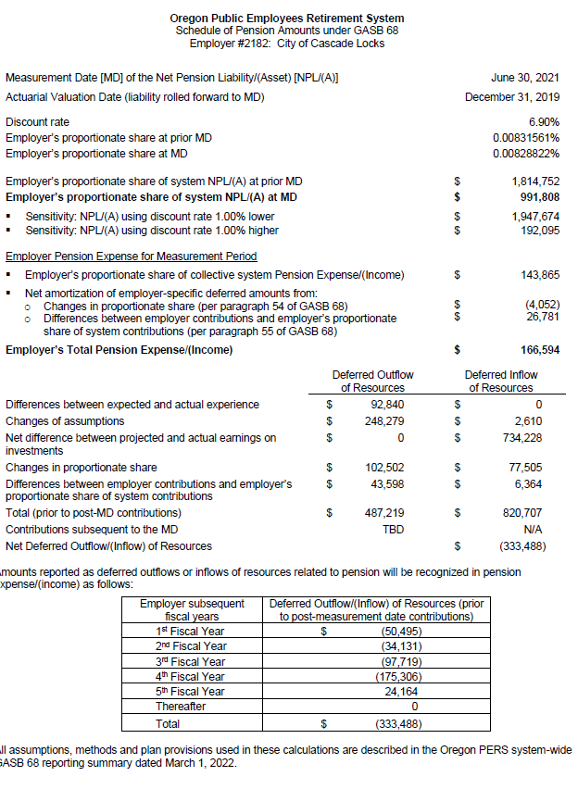
Measurement Date [MD] of the Net Pension Liability/(Asset) [NPLI(A)] |  |  | 30-Jun-21

Actuarial Valuation Date (liability rolled forward to MD) |  |  | 31-Dec-19
Discount rate |  |  | 6.90%
Employer's proportionate share at prior MD |  |  | 0.00831561% |  | -
Employer's proportionate share at MD |  |  | 0.00828822% |  | -

Employer's proportionate share of system NPLI(A) at prior MD |  |  | $1,814,752 |  | -
Employer's proportionate share of system NPLI(A) at MD |  |  | $991,808 |  | -
• Sensitivity: NPLI(A) using discount rate 1.00% lower |  |  | $1,947,674
• Sensitivity: NPLI(A) using discount rate 1.00% higher |  |  | $192,065

Employer Pension Expense for Measurement Period
• Employer's proportionate share of system Pension Expense/(income) |  |  | $143,865 |  | -
• Net amortization of deferred amounts from:
o Changes in proportionate share (per paragraph 55 of GASB 68) |  |  | $(4,052)
o Differences between employer contributions and employer's proportionate share of system contributions (per paragraph 55 of GASB 68) |  |  | $26,781
Employer's Total Pension Expense/(income) |  |  | $166,594 |  | -

 |  | Deferred Outflow | Deferred Inflow
 |  | of Resources | of Resources
Differences between expected and actual experience |  | $92,840 | $-
Changes of assumptions |  | 248,279 | 2,610
Net difference between projected and actual earnings on investments |  | - | 734,228 |  | -
Changes in proportion |  | 102,502 | 77,505 |  | -
Differences between employer contributions and proportionate share of contributions |  | 43,598 | 6,364
Total (prior to post-MD contributions) |  | 487,219 | 820,707
Contributions subsequent to the MD |  | $277,280 | $- |  |  | https://www.oregon.gov/pers/EMP/Documents/GASB/2022/Cash-Contributions-Posted-Subsequent-to-June-30-2021-Measurement%20Date.pdf
Total |  | $764,499 | $820,707
Net Deferred Outflow/(Inflow) of Resources |  |  | $(56,208)

Amounts reported as deferred outflows or inflow of resources related to pension will be recognized in
pension expense/(income) as follows:
 | Employer Subsequent Fiscal Years | Deferred Outflow/(Inflow) of Resources (prior to post-measurement date contributions)
 | 1st Fiscal Year | $(50,495)
 | 2nd Fiscal Year | $(34,131)
 | 3rd Fiscal Year | $(97,719)
 | 4th Fiscal Year | $(175,306)
 | 5th Fiscal Year | $24,163
 | Thereafter | $-
 | Total | $(333,488) |  | -

All assumptions, methods and plan provisions used in these calculations are described in the Oregon PERS
system-wide GASB 68 reporting summary dated March 1, 2022.

Table 3
Valuation Date | 2019-12-31 | This information was created from the PERS ACFR table 25 on page 71
Measurement Date | 2021-06-30 | https://www.oregon.gov/pers/Documents/Financials/CAFR/2021-ACFR.pdf
Experience Study Report | 2018, published July 24, 2019
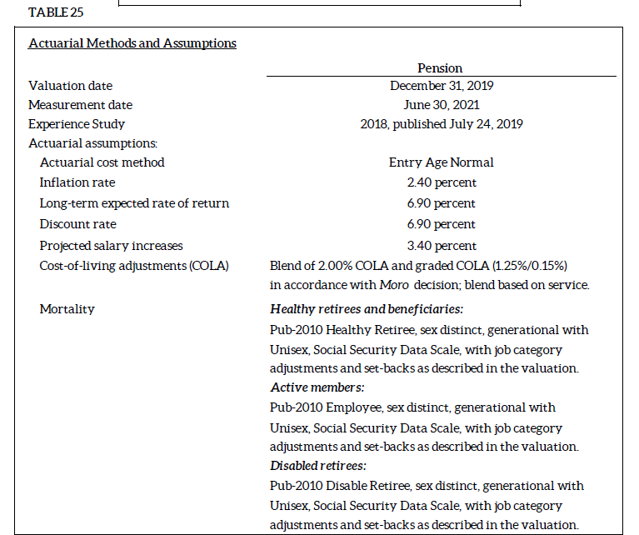
Actuarial Cost Method | Entry Age Normal
Actuarial Assumptions:
Inflation Rate | 2.40 percent
Long-Term Expected Rate of Return | 6.90 percent
Discount Rate | 6.90 percent
Projected Salary Increases | 3.40 percent overall payroll growth
Cost of Living Adjustments (COLA) | Blend of 2.00% COLA and grade COLA (1.25%/0.15%) in accordance with Moro decision, blend based on service.
Mortality | Health retirees and beneficiaries: Pub-2010 Healthy Retiree, sex distinct, generational with Unisex, Social Security Data Scale, with job category adjustments and set-backs as described in the valuation.

 | Active Members: Pub-2010 Employee, sex distinct, generational with Unisex, Social Security Data Scale, with job category adjustments and set-backs as described in the valuation.

 | Disabled retirees: Pub-2010 Disable Retiree, sex distinct, generational with Unisex, Social Security Data Scale, with job category adjustments and set-backs as described in the valuation.

Table 4
These Both Changed for FYE 2022 |  |  |  |  |  |  | This information was created from PERS ACFR table on page 104
 | Assumed Asset Allocation |  |  |  |  |  | This information was created from the PERS ACFR table 31 on page 74
Asset Class/Strategy | Low Range | High Range | Target |  |  |  | https://www.oregon.gov/pers/Documents/Financials/CAFR/2021-ACFR.pdf
Debt Securities | 15.0% | 25.0% | 20.0%
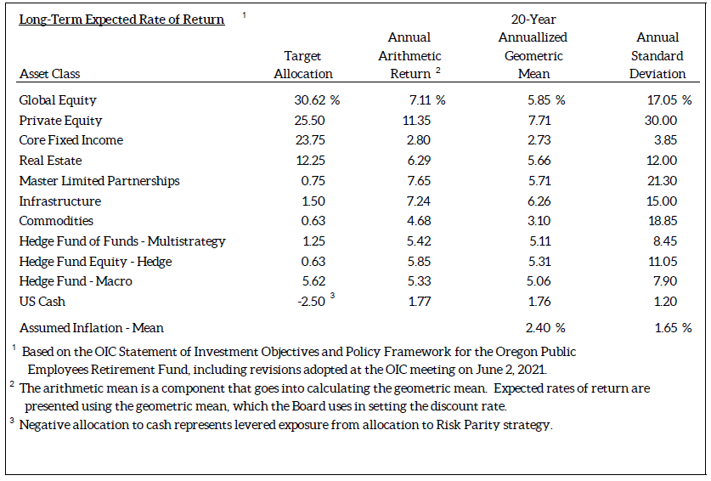
Public Equity | 27.5% | 37.5% | 32.5%
Real Estate | 9.5% | 15.5% | 12.5%
Private Equity | 14.0% | 21.0% | 17.5%
Alternative Portfolio | 7.5% | 17.5% | 15.0%
Opportunity Portfolio | 0.0% | 5.0% | 0.0%
Risk Parity | 0.0% | 2.5% | 2.5%
Total |  |  | 100.0%

 |  |  |  | Asset Class | Target Allocation | Compounded Annual Return (Geometric)

 |  |  |  | Global Equity | 30.62% | 5.85%
 |  |  |  | Private Equity | 25.50% | 7.71%
 |  |  |  | Core Fixed Income | 23.75% | 2.73%
 |  |  |  | Real Estate | 12.25% | 5.66%
 |  |  |  | Master Limited Partnerships | 0.75% | 5.71%
 |  |  |  | Infrastructure | 1.50% | 6.26%
 |  |  |  | Commodities | 0.63% | 3.10%
 |  |  |  | Hedge Fund of Funds - Multistrategy | 1.25% | 5.11%
 |  |  |  | Hedge Fund Equity - Hedge | 0.63% | 5.31%
 |  |  |  | Hedge Fund - Macro | 5.62% | 5.06%
 |  |  |  | US Cash | -2.50% | 1.76%

 |  |  |  | Total | 100.00%

 |  |  |  | Assumed Inflation - Mean |  | 2.40%

RSI Schedule of Prop Share
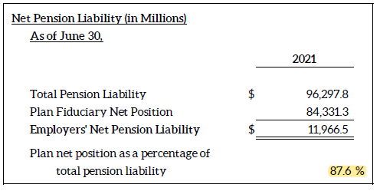
CITY OF ***, OREGON
SCHEDULE OF THE PROPORTIONATE SHARE OF THE NET PENSION LIABILITY
For the Last Ten Fiscal Years1

 |  |  |  | (b/c)
 |  |  |  | City's
 | (a) | (b) |  | proportionate share of the net pension liability (asset) as a percentage of its covered payroll | Plan fiduciary
 | City's | City's | (c) |  | net position as
Measurement | proportion of | proportionate share | City's |  | a percentage of
Date | the net pension | of the net pension | covered |  | the total pension
June 30, | liability (asset) | liability (asset) | payroll |  | liability
 |  |  |  |  |  | Fiduciary net position as a percentage of the total pension liability. Note 9 table 24 page 71 of the PERS ACFR
2021 | 0.00828822% | $991,808 | $792,271 | 125.19% | 87.6% | https://www.oregon.gov/pers/Documents/Financials/CAFR/2021-ACFR.pdf
2020 | 0.00831561% | 1,814,752 | 829,571 | 218.76% | 75.8%
2019 | 0.00851926% | 1,473,628 | 785,586 | 187.58% | 80.2%
2018 | 0.00646906% | 979,977 | 709,681 | 138.09% | 82.1%
2017 | 0.00881127% | 1,187,763 | 739,513 | 160.61% | 83.1%
2016 | 0.00874994% | 1,313,569 | 654,057 | 200.83% | 80.5%
2015 | 0.00847096% | 486,357 | 550,106 | 88.41% | 91.9%
2014 | -0.01017141% | (230,556) | 654,057 | -35.25% | 103.6%
2013 | 0.00847096% | 519,062 | 550,106 | 94.36% | 92.0%

The amounts presented for each fiscal year were actuarial determined at December 31 and rolled forward to the measurement date.

1This schedule is presented to illustrate the requirements to show information for 10 years. However, until a full 10-year trend has been compiled, information is presented only for the years for which the required supplementary information is available.

NOTES TO SCHEDULE

Changes in Benefit Terms:

The 2013 Oregon Legislature made a series of changes to PERS that lowered projected future benefit payments from the System. These changes included reductions to future Cost of Living Adjustments (COLA) made through Senate Bills 822 and 861. Senate Bill 822 also required the contribution rates scheduled to be in effect from July 2013 to June 2015 to be reduced. The Oregon Supreme Court decision in Moro v. State of Oregon, issued on April 30, 2015, reversed a significant portion of the reductions the 2013 Oregon Legislature made to future System Cost of Living Adjustments (COLA) through Senate Bills 822 and 861. This reversal increased the total pension liability as of June 30, 2015 compared to June 30, 2014 total pension liability. |  |  |  |  |  | https://www.oregon.gov/pers/Documents/Financials/CAFR/2021-ACFR.pdf | Page 76

A legislative change that occurred after the December 31, 2017 valuation date affected the plan provisions reflected for financial reporting purposes. Senate Bill 1049, signed into law in June 2019, introduced a limit on the amount of annual salary included for the calculation of benefits. Beginning in 2021, annual salary in excess of $197,730 (as indexed in future years) will be excluded when determining member benefits. As a result, future Tier 1/Tier 2 and OPSRP benefits for certain active members are now projected to be lower than prior to the legislation. Senate Bill 1049 was reflected in the June 30, 2019 Total Pension Liability as a reduction in liability. |  |  |  |  |  | Updated in 2022 - noted on page 45 of 2021 ACFR

A legislative change that occurred after the December 31, 2019 actuarial valuation date affected the plan provisions reflected for June 2021 financial reporting liability calculations. Senate Bill 111, enacted in June 2021, provides an increased pre-retirement death benefit for members who die on or after their early retirement age. For GASB 67 and GASB 68, the benefits valued in the Total Pension Liability are required to be in accordance with the benefit terms legally in effect as of the relevant fiscal year-end for the plan. As a result, Senate Bill 111 was reflected in the June 30, 2021 Total Pension Liability. The increase in the Total Pension Liability resulting from Senate Bill 111, measured as of June 30, 2021, is shown in Exhibit A as the “Effect of plan changes” during the measurement period. While Senate Bill 111 also made changes to certain aspects of the System’s funding and administration, the change in the death benefit provision is the only change that affects the measured Total Pension Liability. As a result, the death benefit provision is the only difference between June 30, 2020 and June 30, 2021 in the plan provisions basis used to determine the Total Pension Liability as of those two respective Measurement Dates. |  |  |  |  |  | https://www.oregon.gov/pers/EMP/Documents/GASB/2022/GASB68-Letter-from-the-Actuary.pdf |  | Pg 4

Changes of Assumptions:

The PERS Board adopted assumption changes that were used to measure the June 30, 2016 total pension liability and June 30, 2018 total pension liability. For June 30, 2016, the changes included the lowering of the long-term expected rate of return to 7.50 percent and lowering of the assumed inflation to 2.50 percent. For June 30, 2018, the long-term expected rate of return was lowered to 7.20 percent. For June 30, 2021, the long-term expected rate of return was lowered to 6.90 percent, and the inflation rate was lowered from, 2.5 to 2.4 percent. In addition, the healthy mortality assumption was changed to reflect an updated mortality improvement scale for all groups, and assumptions were updated for merit increases, unused sick leave, and vacation pay were updated.

RSI Schedule of Cont
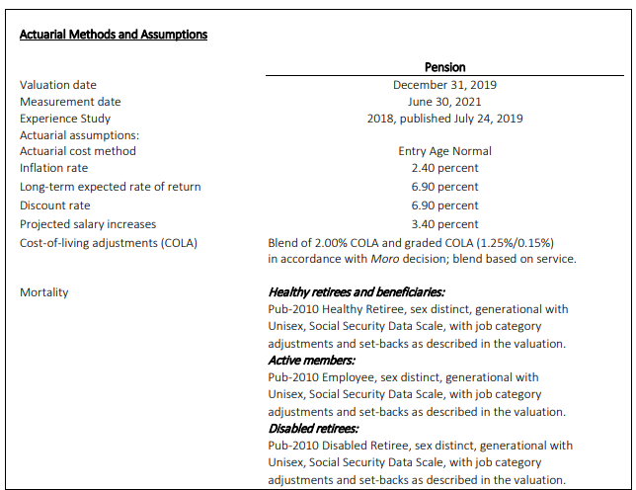
CITY OF ***, OREGON
SCHEDULE OF CONTRIBUTIONS - PENSION
For the Last Ten Fiscal Years1

 |  | (b) |  |  | (b/c)
 | (a) | Contributions in | (a-b) | (c) | Contributions
Year | Statutorily | relation to the | Contribution | City's | as a percent
Ended | required | statutorily required | deficiency | covered | of covered
June 30, | contribution | contribution | (excess) | payroll | payroll

2022 | $277,280 | $277,280 | $- | $750,000 | 36.97%
2021 | 241,041 | 241,041 | - | 792,271 | 30.42%
2020 | 217,341 | 217,341 | - | 829,571 | 26.20%
2019 | 178,898 | 178,898 | - | 785,586 | 22.77%
2018 | 157,872 | 157,872 | - | 709,681 | 22.25%
2017 | 119,040 | 119,040 | - | 739,513 | 16.10%
2016 | 142,027 | 142,027 | - | 654,057 | 21.71%
2015 | 69,138 | 69,138 | - | 550,106 | 12.57%
2014 | 112,061 | 112,061 | - | 654,057 | 17.13%

The amounts presented for each fiscal year were actuarial determined at December 31 and rolled forward to the measurement date.

1This schedule is presented to illustrate the requirements to show information for 10 years. However, until a full 10-year trend has been compiled, information is presented only for the years for which the required supplementary information is available.

NOTES TO SCHEDULE

Actuarial Assumptions and Methods Used to Set the Actuarially Determined Contributions
 |  |  |  |  |  | Oregon Public Employees Retirement System – Cost-Sharing Multiple-Employer Defined Benefit Pension Plan Schedules of Employer Allocations and Pension Amounts by Employer FYE June 30, 2021
 |  |  |  |  |  | https://www.oregon.gov/pers/EMP/Documents/GASB/2022/GASB_audit_report.pdf

 |  |  |  |  |  | Actuarial valuation | December 31, 2019 | December 31, 2017 | December 31, 2015 | December 31, 2013 | December 31, 2011
 |  |  |  |  |  | Effective | July 2021 - June 2023 | July 2019 - June 2021 | July 2017 - June 2019 | July 2015 - June 2017 | July 2013 - June 2015
 |  |  |  |  |  | Actuarial cost method | Entry Age Normal |  |  |  | Projected Unit Credit
 |  |  |  |  |  | Amortization method | Level percentage of payroll
 |  |  |  |  |  | Asset valuation method | Market Value
 |  |  |  |  |  | Remaining amortization periods | 20 years |  |  |  | N/A
 |  |  |  |  |  | Actuarial assumptions:
 |  |  |  |  |  | Inflation rate | 2.40 percent | 2.50 percent |  | 2.75 percent
 |  |  |  |  |  | Projected salary increases | 3.40 percent | 3.50 percent
 |  |  |  |  |  | Investment rate of return | 6.90 percent | 7.20 percent | 7.50 percent | 7.75 percent | 8.00 percent

