State Schedule
Oregon Public Employees Retirement System |  |  |  |  |  | This schedule is available online at the link below
Schedule of Pension Amounts under GASB 68 |  |  |  |  |  | https://www.oregon.gov/pers/EMP/Documents/GASB/2022/GASB-68-Schedule.pdf
Employer #: City of ****
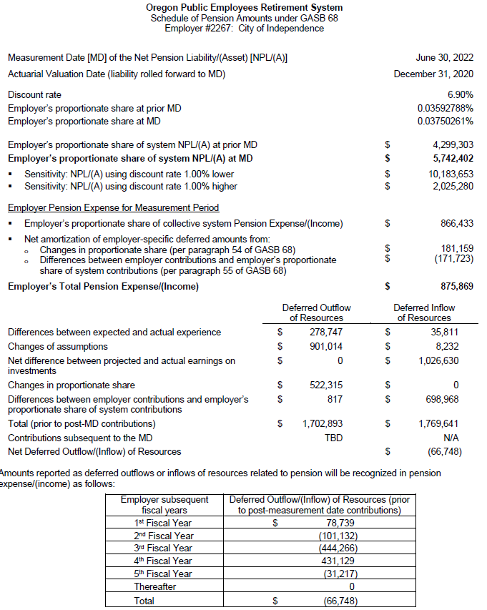
Measurement Date [MD] of the Net Pension Liability/(Asset) [NPLI(A)] |  |  | 30-Jun-22

Actuarial Valuation Date (liability rolled forward to MD) |  |  | 31-Dec-20
Discount rate |  |  | 6.90%
Employer's proportionate share at prior MD |  |  | 0.03592788% |  | -
Employer's proportionate share at MD |  |  | 0.03750261% |  | -

Employer's proportionate share of system NPLI(A) at prior MD |  |  | $4,299,303 |  | -
Employer's proportionate share of system NPLI(A) at MD |  |  | $5,742,402 |  | -
• Sensitivity: NPLI(A) using discount rate 1.00% lower |  |  | $10,183,653
• Sensitivity: NPLI(A) using discount rate 1.00% higher |  |  | $2,025,280

Employer Pension Expense for Measurement Period
• Employer's proportionate share of system Pension Expense/(income) |  |  | $866,433 |  | -
• Net amortization of deferred amounts from:
o Changes in proportionate share (per paragraph 55 of GASB 68) |  |  | $181,159
o Differences between employer contributions and employer's proportionate share of system contributions (per paragraph 55 of GASB 68) |  |  | $(171,723) |  |  |  | 78000
Employer's Total Pension Expense/(income) |  |  | $875,869 |  | -

 |  | Deferred Outflow | Deferred Inflow
 |  | of Resources | of Resources
Differences between expected and actual experience |  | $278,747 | $35,811
Changes of assumptions |  | 901,014 | 8,232
Net difference between projected and actual earnings on investments |  | - | 1,026,630 |  | -
Changes in proportion |  | 522,315 | - |  | -
Differences between employer contributions and proportionate share of contributions |  | 817 | 698,968
Total (prior to post-MD contributions) |  | 1,702,893 | 1,769,641
Contributions subsequent to the MD |  | $865,066 |  |  |  | https://www.oregon.gov/pers/emp/Documents/GASB/2023/Cash-Contributions-Subsequent-to-6-30-2022-Measurement-Date.pdf
Total |  | $2,567,959 | $1,769,641
Net Deferred Outflow/(Inflow) of Resources |  |  | $798,318

Amounts reported as deferred outflows or inflow of resources related to pension will be recognized in
pension expense/(income) as follows:
 | Employer Subsequent Fiscal Years | Deferred Outflow/(Inflow) of Resources (prior to post-measurement date contributions)
 | 1st Fiscal Year | $78,739
 | 2nd Fiscal Year | $(101,132)
 | 3rd Fiscal Year | $(444,266)
 | 4th Fiscal Year | $431,129
 | 5th Fiscal Year | $(31,218)
 | Thereafter | $-
 | Total | $(66,748) |  | -

All assumptions, methods and plan provisions used in these calculations are described in the Oregon PERS
system-wide GASB 68 reporting summary dated March 1, 2023.

Table 1
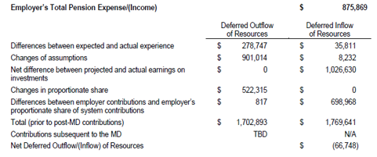
 | Deferred Outflows of Resources | Deferred Inflows of Resources
Differences between expected and actual experience | $278,747 | $35,811
Changes of assumptions | 901,014 | 8,232
Net difference between projected and actual earnings on investments | - | 1,026,630
Changes in proportion | 522,315 | -
Differences between employer contributions and proportionate share of contributions | 817 | 698,968
Total (prior to post-MD contributions) | 1,702,893 | 1,769,641
Contributions subsequent to the MD | 865,066 | -

Total | $2,567,959 | $1,769,641 | -

 | - | -

Table 3
Valuation Date | 2020-12-31 | This information was created from the PERS ACFR table 25 on page 71
Measurement Date | 2022-06-30 | https://www.oregon.gov/pers/Documents/Financials/ACFR/2022-Annual-Comprehensive-Financial-Report.pdf
Experience Study Report | 2020, published July 24, 2021
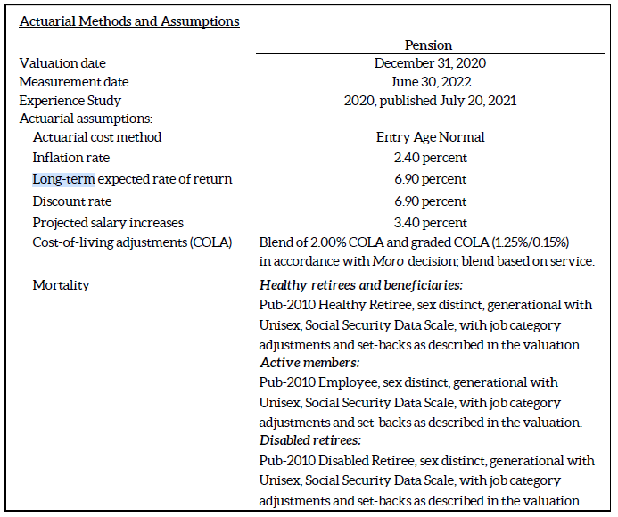
Actuarial Cost Method | Entry Age Normal
Actuarial Assumptions:
Inflation Rate | 2.40 percent
Long-Term Expected Rate of Return | 6.90 percent
Discount Rate | 6.90 percent
Projected Salary Increases | 3.40 percent overall payroll growth
Cost of Living Adjustments (COLA) | Blend of 2.00% COLA and grade COLA (1.25%/0.15%) in accordance with Moro decision, blend based on service.
Mortality | Health retirees and beneficiaries: Pub-2010 Healthy Retiree, sex distinct, generational with Unisex, Social Security Data Scale, with job category adjustments and set-backs as described in the valuation.

 | Active Members: Pub-2010 Employee, sex distinct, generational with Unisex, Social Security Data Scale, with job category adjustments and set-backs as described in the valuation.

 | Disabled retirees: Pub-2010 Disable Retiree, sex distinct, generational with Unisex, Social Security Data Scale, with job category adjustments and set-backs as described in the valuation.

Table 4
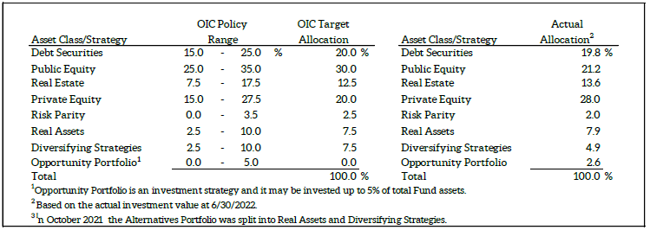
 |  |  |  |  |  |  | This information was created from PERS ACFR table on page 104
 |  |  |  |  |  |  | This information was created from the PERS ACFR table 31 on page 74
Asset Class/Strategy | Low Range | High Range | Target Allocation |  |  |  | https://www.oregon.gov/pers/Documents/Financials/ACFR/2022-Annual-Comprehensive-Financial-Report.pdf
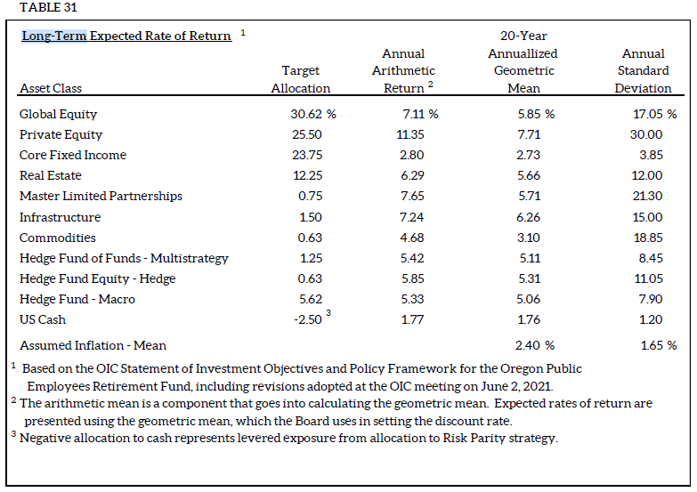
Debt Securities | 15.0% | 25.0% | 20.0%
Public Equity | 25.0% | 35.0% | 30.0% | changed in FY23
Real Estate | 7.5% | 17.5% | 12.5%
Private Equity | 15.0% | 27.5% | 20.0% | changed in FY23
Risk Parity | 0.0% | 3.5% | 2.5%
Real Assets | 2.5% | 10.0% | 7.5%
Diversifying Strategies | 2.5% | 10.0% | 7.5%
Opportunity Portfolio | 0.0% | 5.0% | 0.0%
Total |  |  | 100.0%

 |  |  |  | Asset Class | Target Allocation | Compounded Annual Return (Geometric)

 |  |  |  | Global Equity | 30.62% | 5.85%
 |  |  |  | Private Equity | 25.50% | 7.71%
 |  |  |  | Core Fixed Income | 23.75% | 2.73%
 |  |  |  | Real Estate | 12.25% | 5.66%
 |  |  |  | Master Limited Partnerships | 0.75% | 5.71%
 |  |  |  | Infrastructure | 1.50% | 6.26%
 |  |  |  | Commodities | 0.63% | 3.10%
 |  |  |  | Hedge Fund of Funds - Multistrategy | 1.25% | 5.11%
 |  |  |  | Hedge Fund Equity - Hedge | 0.63% | 5.31%
 |  |  |  | Hedge Fund - Macro | 5.62% | 5.06%
 |  |  |  | US Cash | -2.50% | 1.76%

 |  |  |  | Total | 100.00%

 |  |  |  | Assumed Inflation - Mean |  | 2.40%

RSI Schedule of Prop Share
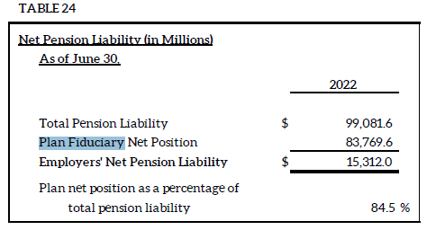
CITY OF ***, OREGON
SCHEDULE OF THE PROPORTIONATE SHARE OF THE NET PENSION LIABILITY
For the Last Ten Fiscal Years1

 |  |  |  | (b/c)
 |  |  |  | City's
 | (a) | (b) |  | proportionate share of the net pension liability (asset) as a percentage of its covered payroll | Plan fiduciary
 | City's | City's | (c) |  | net position as
Measurement | proportion of | proportionate share | City's |  | a percentage of
Date | the net pension | of the net pension | covered |  | the total pension
June 30, | liability (asset) | liability (asset) | payroll |  | liability
 |  |  |  |  |  | Fiduciary net position as a percentage of the total pension liability. Note 9 table 24 page 71 of the PERS ACFR
2022 | 0.03750261% | $5,742,402 | $3,379,700 | 169.91% | 84.5% | https://www.oregon.gov/pers/Documents/Financials/ACFR/2022-Annual-Comprehensive-Financial-Report.pdf
2021 | 0.03592788% | 4,299,303 | 3,793,030 | 113.35% | 87.6%
2020 | 0.03422785% | 7,469,694 | 3,665,402 | 203.79% | 75.8%
2019 | 0.03335804% | 5,770,142 | 3,437,258 | 167.87% | 80.2%
2018 | 0.03086104% | 4,675,041 | 3,211,306 | 145.58% | 82.1%
2017 | 0.03078833% | 4,150,279 | 2,965,410 | 139.96% | 83.1%
2016 | 0.03134115% | 4,705,034 | 2,661,504 | 176.78% | 80.5%
2015 | 0.02869354% | 1,647,429 | 2,374,283 | 69.39% | 91.9%
2014 | 0.02677427% | (606,896) | 2,259,338 | -26.86% | 103.6%
2013 | 0.02869354% | 673,613 | 2,233,312 | 30.16% | 92.0%

The amounts presented for each fiscal year were actuarial determined at December 31 and rolled forward to the measurement date.

1This schedule is presented to illustrate the requirements to show information for 10 years. However, until a full 10-year trend has been compiled, information is presented only for the years for which the required supplementary information is available.

NOTES TO SCHEDULE

Changes in Benefit Terms:

The 2013 Oregon Legislature made a series of changes to PERS that lowered projected future benefit payments from the System. These changes included reductions to future Cost of Living Adjustments (COLA) made through Senate Bills 822 and 861. Senate Bill 822 also required the contribution rates scheduled to be in effect from July 2013 to June 2015 to be reduced. The Oregon Supreme Court decision in Moro v. State of Oregon, issued on April 30, 2015, reversed a significant portion of the reductions the 2013 Oregon Legislature made to future System Cost of Living Adjustments (COLA) through Senate Bills 822 and 861. This reversal increased the total pension liability as of June 30, 2015 compared to June 30, 2014 total pension liability. |  |  |  |  |  | https://www.oregon.gov/pers/Documents/Financials/ACFR/2022-Annual-Comprehensive-Financial-Report.pdf | Page 76

Changes of Assumptions:

The PERS Board adopted assumption changes that were used to measure the June 30, 2016 total pension liability and June 30, 2018 total pension liability. For June 30, 2016, the changes included the lowering of the long-term expected rate of return to 7.50 percent and lowering of the assumed inflation to 2.50 percent. For June 30, 2018, the long-term expected rate of return was lowered to 7.20 percent. For June 30, 2021, the long-term expected rate of return was lowered to 6.90 percent, and the inflation rate was lowered from 2.5 to 2.4 percent. In addition, the healthy mortality assumption was changed to reflect an updated mortality improvement scale for all groups, and assumptions were updated for merit increases, unused sick leave, and vacation pay were updated.

RSI Schedule of Cont
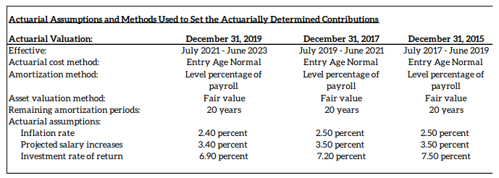
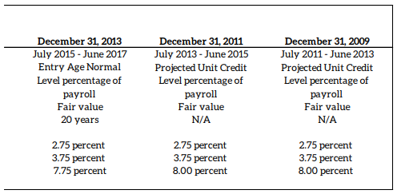
CITY OF ***, OREGON
SCHEDULE OF CONTRIBUTIONS - PENSION
For the Last Ten Fiscal Years1

 |  | (b) |  |  | (b/c)
 | (a) | Contributions in | (a-b) | (c) | Contributions
Year | Statutorily | relation to the | Contribution | City's | as a percent
Ended | required | statutorily required | deficiency | covered | of covered
June 30, | contribution | contribution | (excess) | payroll | payroll

2023 | $865,066 | $865,066 | $- | $3,500,000 | 24.72%
2022 | 768,563 | 768,563 | - | 3,379,700 | 22.74%
2021 | 720,689 | 720,689 | - | 3,793,030 | 19.00%
2020 | 702,449 | 702,449 | - | 3,665,402 | 19.16%
2019 | 492,899 | 492,899 | - | 3,437,258 | 14.34%
2018 | 452,305 | 452,305 | - | 3,211,306 | 14.08%
2017 | 334,614 | 334,614 | - | 2,965,410 | 11.28%
2016 | 320,569 | 320,569 | - | 2,661,504 | 12.04%
2015 | 305,990 | 305,990 | - | 2,374,283 | 12.89%
2014 | 225,441 | 225,441 | - | 2,259,338 | 9.98%

The amounts presented for each fiscal year were actuarial determined at December 31 and rolled forward to the measurement date.

1This schedule is presented to illustrate the requirements to show information for 10 years. However, until a full 10-year trend has been compiled, information is presented only for the years for which the required supplementary information is available.

NOTES TO SCHEDULE

Actuarial Assumptions and Methods Used to Set the Actuarially Determined Contributions
 |  |  |  |  |  | RSI Table Pg 77-78
 |  |  |  |  |  | https://www.oregon.gov/pers/Documents/Financials/ACFR/2022-Annual-Comprehensive-Financial-Report.pdf

 |  |  |  |  |  | Actuarial valuation | December 31, 2019 | December 31, 2017 | December 31, 2015 | December 31, 2013 | December 31, 2011
 |  |  |  |  |  | Effective | July 2021 - June 2023 | July 2019 - June 2021 | July 2017 - June 2019 | July 2015 - June 2017 | July 2013 - June 2015
 |  |  |  |  |  | Actuarial cost method | Entry Age Normal |  |  |  | Projected Unit Credit
 |  |  |  |  |  | Amortization method | Level percentage of payroll
 |  |  |  |  |  | Asset valuation method | Market Value
 |  |  |  |  |  | Remaining amortization periods | 20 years |  |  |  | N/A
 |  |  |  |  |  | Actuarial assumptions:
 |  |  |  |  |  | Inflation rate | 2.40 percent | 2.50 percent |  | 2.75 percent
 |  |  |  |  |  | Projected salary increases | 3.40 percent | 3.50 percent
 |  |  |  |  |  | Investment rate of return | 6.90 percent | 7.20 percent | 7.50 percent | 7.75 percent | 8.00 percent

